Thresholds
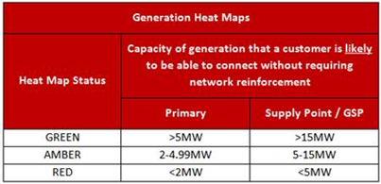
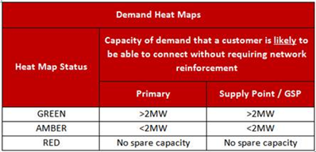
Read Me

You can find further assistance on the use of the heat maps from our |  | webinar
The tables below show the parameters that define the Red / Amber / Green classifications
Please contact us if you require any assistance | email

